Pivot table & chart
Row Labels | Sum of Sales | Sum of Profit |  | Row Labels | Sum of Sales | Sum of Profit Margin | Row Labels | Sum of ProfitMargin | Row Labels | Sum of Sales | Row Labels | Sum of Sales
Furniture | 741999.7953 | 18451.2728 |  | Central | 501239.8908 | -24176.14% | Furniture | 2.49% | Consumer | 1161401.345 | Furniture | 741999.7953
Office Supplies | 719047.032 | 122490.8008 |  | East | 678781.24 | 47626.24% | Office Supplies | 17.04% | Corporate | 706146.3668 | Office Supplies | 719047.032
Technology | 836154.033 | 145454.9481 |  | South | 391721.905 | 26490.08% | Technology | 17.40% | Home Office | 429653.1485 | Technology | 836154.033
Grand Total | 2297200.8603 | 286397.0217 |  | West | 725457.8245 | 70301.56% | Grand Total | 12.47% | Grand Total | 2297200.8603 | Grand Total | 2297200.8603
 |  |  |  | Grand Total | 2297200.8603 | 120241.74%

Row Labels | Sum of Sales | Sum of Profit |  |  |  |  | Row Labels | Sum of Profit | Row Labels | Sum of Profit
Consumer | 1161401.345 | 134119.2092 |  | Row Labels | Sum of Sales | Sum of Profit | First Class | 48969.8399 | Consumer | 134119.2092
Corporate | 706146.3668 | 91979.134 |  | Central | 501239.8908 | 39706.3625 | Same Day | 15891.7589 | Corporate | 91979.134
Home Office | 429653.1485 | 60298.6785 |  | East | 678781.24 | 91522.78 | Second Class | 57446.6354 | Home Office | 60298.6785
Grand Total | 2297200.8603 | 286397.0217 |  | South | 391721.905 | 46749.4303 | Standard Class | 164088.7875 | Grand Total | 286397.0217
 |  |  |  | West | 725457.8245 | 108418.4489 | Grand Total | 286397.0217
 |  |  |  | Grand Total | 2297200.8603 | 286397.0217
Row Labels | Sum of Sales | Sum of Profit | Sum of margin
Central | 501239.8908 | 39706.3625 | 7.92%
East | 678781.24 | 91522.78 | 13.48%
South | 391721.905 | 46749.4303 | 11.93%
West | 725457.8245 | 108418.4489 | 14.94%
Grand Total | 2297200.8603 | 286397.0217 | 12.47%

Project
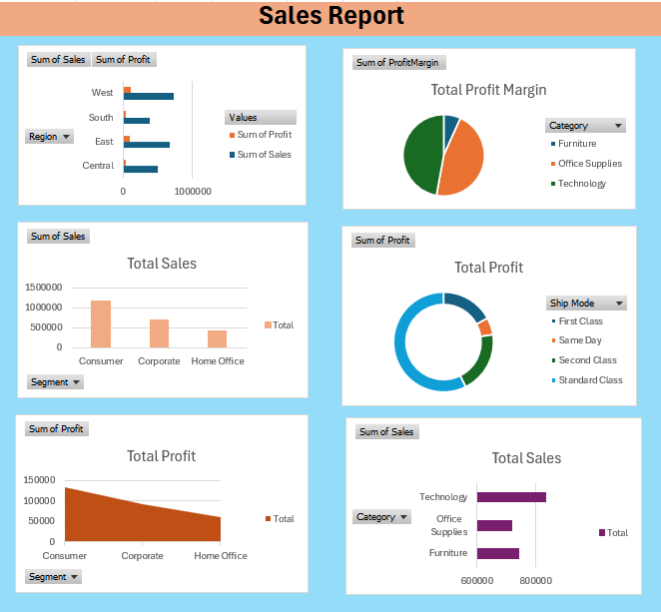
 |  |  |  |  |  | Sales Report Analysis

1. Sales Analysis by Region: Which region has the highest total sales?

 | South | 391722 |  | 46749
 | West | 725458 |  | 108418
 | Central | 501240 |  | 39706
 | East | 678781 |  | 91523

2. Profit Trends: Which product categories and sub-categories are the most profitable?

 | Furniture | 18451 |  | Bookcases | -3473 |  | 1) Most profitable product under categories
 | Office Supplies | 122491 |  | Chairs | 26590
 | Technology | 145455 |  | Labels | 5546
 |  |  |  | Tables | -17725 |  | 2) Most profitable product under sub-categories
 |  |  |  | Storage | 21279
 |  |  |  | Furnishings | 13059
 |  |  |  | Art | 6528
 |  |  |  | Phones | 44516
 |  |  |  | Binders | 30222
 |  |  |  | Appliances | 18138
 |  |  |  | Paper | 34054
 |  |  |  | Accessories | 41937
 |  |  |  | Envelopes | 6964
 |  |  |  | Fasteners | 950
 |  |  |  | Supplies | -1189
 |  |  |  | Machines | 3385
 |  |  |  | Copiers | 55618

3. Discount Impact: What is the relationship between discount rates and profit margins? (profit margin = Profit/sales)

 | -0.8644522856
 | It is a strong negative relationship.

4. Shipping Mode Efficiency: Which shipping mode is used most often, and how does it correlate with profits? (count of shipping mode, which ship mode is giving highest profit)

 |  | Count | Profit
 | Second Class | 1945 | 57447 |  | 1) Shipping mode used most often
 | Standard Class | 5968 | 164089
 | First Class | 1538 | 48970
 | Same Day | 543 | 15892 |  | 2) Ship mode which gives highest profit

5. Top Customers: Who are the top 5 customers by total sales?

 | Raymond Buch | 25043
 | Adrian Barton | 19052
 | Tamara Chand | 15117
 | Sean Miller | 14596
 | Tom Ashbrook | 14474

6. Product Performance: Identify the top 10 products by sales volume.

 | 215 | #REF!
 | 170 | #REF!
 | 150 | #REF!
 | 86 | #REF!
 | 74 | #REF!
 | 71 | #REF!
 | 71 | Avery Non-Stick Binders
 | 67 | #REF!
 | 64 | #REF!
 | 62 | #REF!

7. Regional Profitability: Which region has the lowest profitability, and what might be contributing to this? (find out which products are being sold highest in this region and whether these products have a high profit margin)

 |  | 1) Central Region has the lowest profitability. |  |  |  |  |  | 2) Top 3 products are being sold highest in this region and have high profit margin are following:

 |  | Row Labels | Sum of Sales | Sum of Profit | Sum of margin |  |  | Region | Product Name | Sales | Profit Margin
 |  | Central | 501239.8908 | 39706.3625 | 7.92% |  |  | Central | Ibico EPK-21 Electric Binding System | 9449.95 | 0.49
 |  | East | 678781.24 | 91522.78 | 13.48% |  |  | Central | Canon imageCLASS 2200 Advanced Copier | 17499.95 | 0.48
 |  | South | 391721.905 | 46749.4303 | 11.93% |  |  | Central | GBC Ibimaster 500 Manual ProClick Binding System | 9892.74 | 0.5
 |  | West | 725457.8245 | 108418.4489 | 14.94%
 |  | Grand Total | 2297200.8603 | 286397.0217 | 12.47%

8. Customer Segment Analysis: Which customer segment based on City contributes the most to overall sales and profits?

 | Row Labels | Sum of Sales | Sum of Profit
 | Consumer | 1161401.345 | 134119.2092
 | Corporate | 706146.3668 | 91979.134
 | Home Office | 429653.1485 | 60298.6785
 | Grand Total | 2297200.8603 | 286397.0217

9. Loss Leaders: Identify product categories with high sales but negative profits.

 | Row Labels | Sum of Sales | Sum of Profit
 | Furniture | 741999.7953 | 18451.2728
 | Office Supplies | 719047.032 | 122490.8008
 | Technology | 836154.033 | 145454.9481
 | Grand Total | 2297200.8603 | 286397.0217

10. Insights Dashboard: Generate key insights from the dataset and create a comprehensive Excel dashboard to visualize them.

